3. combine_tracking.csv
File name: combine_tracking.csv
Contains 10 Hz high-frequency optical sensor tracking across 6,310 Combine drill attempts, including 40-yard dash sprints and position-specific agility/route drills.

Column Name | Data Type | Example | Description
draft_year | int64 | 2025 | Year of Combine testing (2023, 2024, 2025).
event_id | str | 2025030210... | Unique identifier linking all tracking frames within a single continuous drill attempt.
nfl_id | int64 / null | 58286 | Player identifier matching players.csv. For ball, it represents the nfl_id for player in given event_id.
entity_type | str | PLAYER | Entity tracked in the frame: PLAYER or BALL.
time | str | 2025-03-02T18:56:38.200 | ISO 8601 timestamp for the optical tracking frame (sampled every 0.10 seconds).
drill_type | str | SKILL_DRILLS_OL | Broad drill category (e.g., FORTY_YARD_DASH, THREE_CONE_DRILL, SHORT_SHUTTLE, SKILL_DRILLS_WR, SKILL_DRILLS_DB, SKILL_DRILLS_OL, SKILL_DRILLS_DL, SKILL_DRILLS_TE).
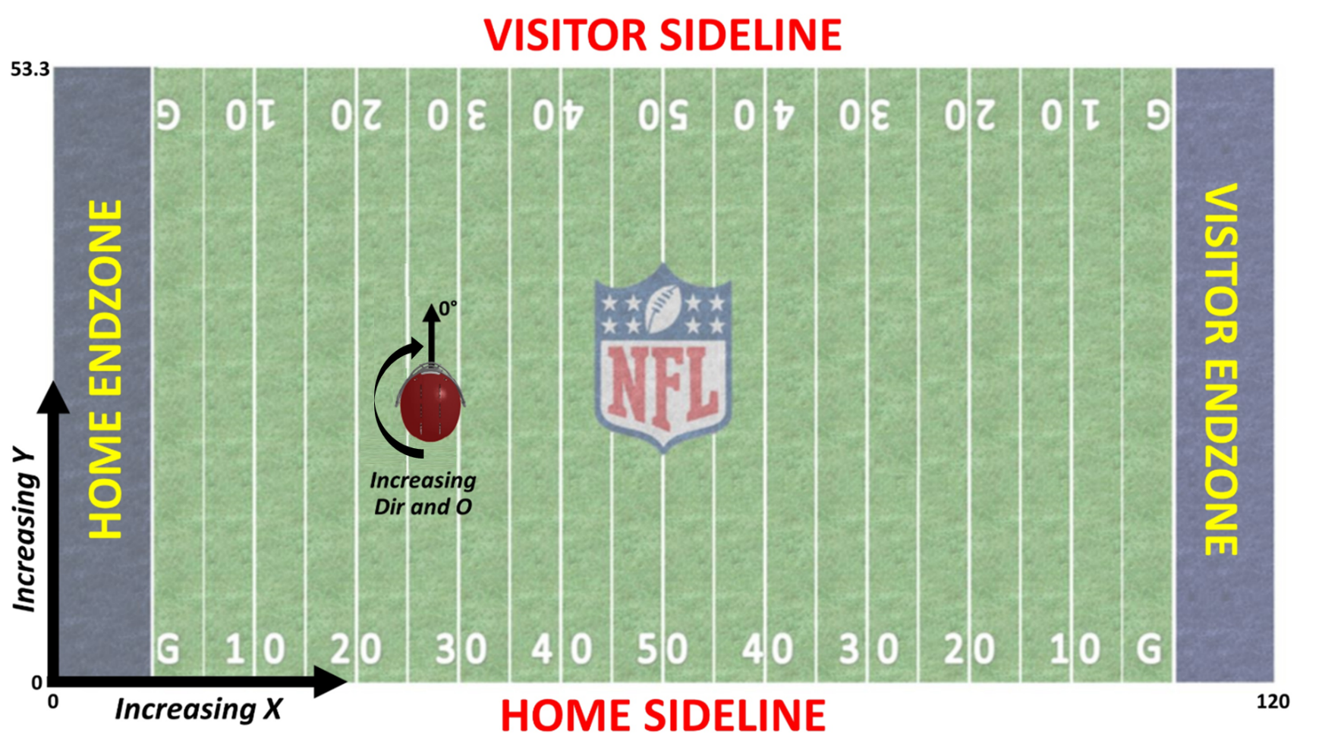
drill_name | str | OL_PULL_DRILL_FOLD... | Specific drill name (e.g., GAUNTLET_DRILL, RUN_THE_HOOP_DRILL, BACK_PEDAL_AND_TRANSITION_45_DEGREE_REACTION, SLOT_STRIKE_ROUTE_LEFT, PASS_PRO_MIRROR_DRILL).
attempt | int64 | 4 | Attempt number index for the prospect within the given drill.
x | float64 | 87.09 | Player horizontal position along field length in yards (0-120).
y | float64 | 22.52 | Player vertical position across field width in yards (0-53.33).
s | float64 | 0.28 | Instantaneous player speed in yards per second (yd/s).
a | float64 | 0.11 | Instantaneous player acceleration in yards per second squared (yds / sec^2).
dis | float64 | 0.01 | Distance traveled from the previous tracking frame in yards.
dir | float64 | 126.08 | Player motion direction angle in degrees (0-360).

